Sheet1
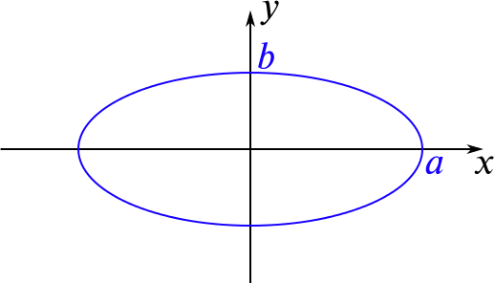
SVC thickness | Outer circumference | Percentage | Inner a | Inner b | Outer a | Outer b | Graphing calculator:
1 | 70 | 100 | 10.14 | 10.14 | 11.14 | 11.14 | https://www.desmos.com/calculator/bxatmpygnt
 |  | 90 | 7.62 | 12.15 | 8.62 | 13.15 | OnShape Rigid SVC CAD:
 |  | 80 | 6.41 | 12.83 | 7.41 | 13.83 | https://cad.onshape.com/documents/b8f49359e79bf489011c90f2/w/4df7b3dfc00d3c25848e005b/e/d23249ba013b1ae88f1204a0?renderMode=0&uiState=66b0ec0cfc21455f71d43cec
 |  | 70 | 5.42 | 13.28 | 6.42 | 14.28
 |  | 60 | 4.54 | 13.61 | 5.54 | 14.61 | Use calculator to find inner a and b of rigid SVC and use the outer a and b in OnShape
 |  | 50 | 3.71 | 13.85 | 4.71 | 14.85
 |  | 40 | 2.93 | 14.04 | 3.93 | 15.04
 |  | 30 | 2.18 | 14.18 | 3.18 | 15.18
 |  | 20 | 1.44 | 14.27 | 2.44 | 15.27
 |  | 10 | 0.72 | 14.32 | 1.72 | 15.32

